UNet3D_SQA
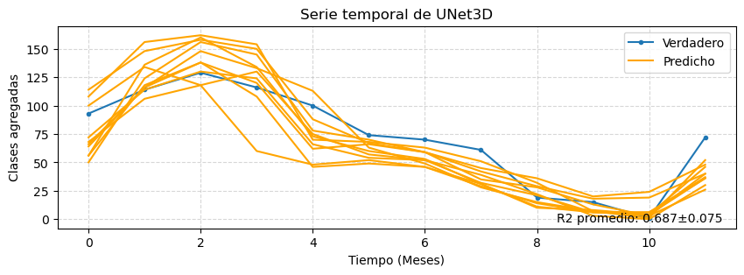
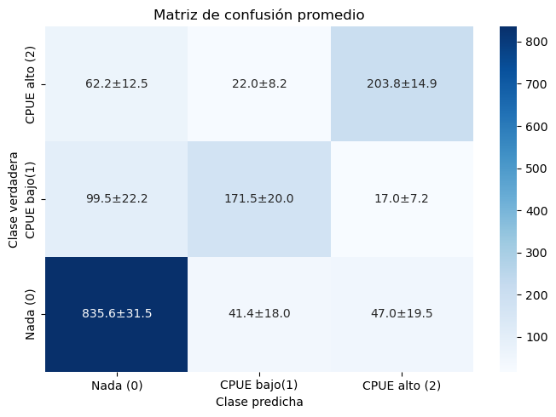
 | precision | recall | f1-score | support
0 | 0.839±0.023 | 0.904±0.034 | 0.870±0.010 | 924.000±0.000
1 | 0.736±0.046 | 0.595±0.070 | 0.654±0.034 | 288.000±0.000
2 | 0.767±0.052 | 0.708±0.052 | 0.733±0.017 | 288.000±0.000
accuracy | 0.807±0.012 | 0.807±0.012 | 0.807±0.012 | 0.807±0.012
macro avg | 0.781±0.020 | 0.736±0.027 | 0.752±0.017 | 1500.000±0.000
weighted avg | 0.805±0.012 | 0.807±0.012 | 0.802±0.013 | 1500.000±0.000

 | IoU
Clase 0 | 0.770±0.016
Clase 1 | 0.487±0.037
Clase 2 | 0.579±0.021

Mean ± Std
0.633±0.026
0.687±0.079

UNet3D_HKP
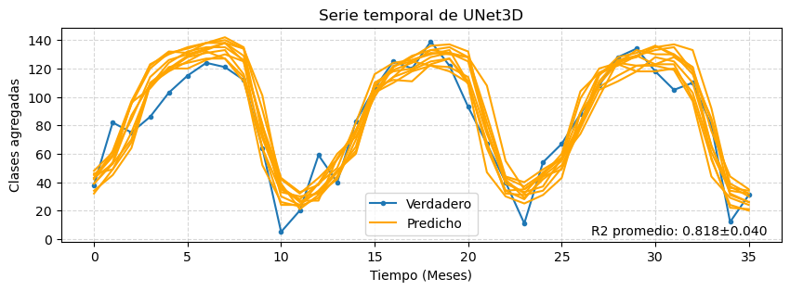
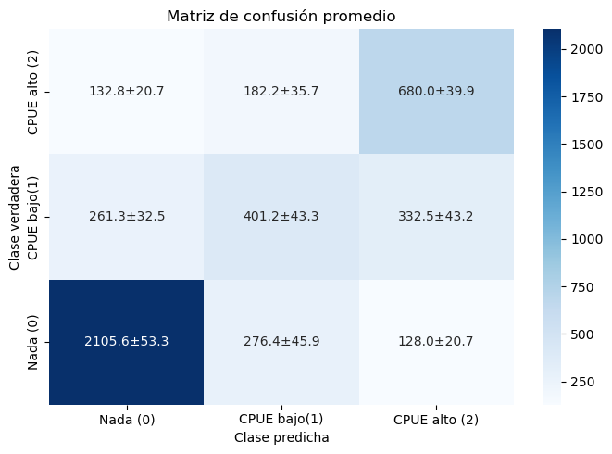
 | precision | recall | f1-score | support
0 | 0.843±0.015 | 0.839±0.021 | 0.841±0.006 | 2510.000±0.000
1 | 0.467±0.019 | 0.403±0.044 | 0.432±0.027 | 995.000±0.000
2 | 0.598±0.018 | 0.683±0.040 | 0.637±0.011 | 995.000±0.000
accuracy | 0.708±0.007 | 0.708±0.007 | 0.708±0.007 | 0.708±0.007
macro avg | 0.636±0.009 | 0.642±0.009 | 0.636±0.010 | 4500.000±0.000
weighted avg | 0.706±0.008 | 0.708±0.007 | 0.705±0.008 | 4500.000±0.000

 | IoU
Clase 0 | 0.725±0.009
Clase 1 | 0.275±0.022
Clase 2 | 0.467±0.012

Mean ± Std
0.507±0.010
0.818±0.042

StackedCNN3D_SQA
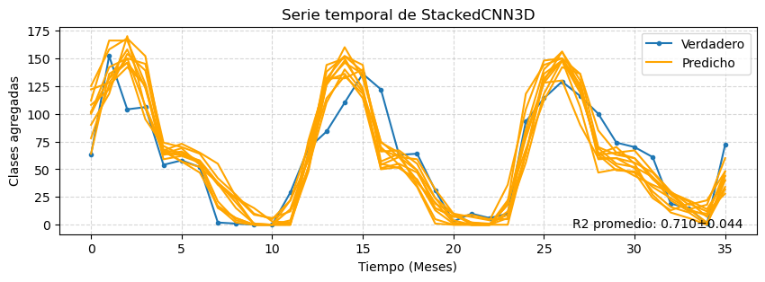

 | precision | recall | f1-score | support
0 | 0.867±0.011 | 0.874±0.019 | 0.870±0.007 | 3038.000±0.000
1 | 0.652±0.040 | 0.589±0.043 | 0.616±0.014 | 731.000±0.000
2 | 0.667±0.029 | 0.704±0.030 | 0.684±0.008 | 731.000±0.000
accuracy | 0.800±0.007 | 0.800±0.007 | 0.800±0.007 | 0.800±0.007
macro avg | 0.729±0.011 | 0.722±0.012 | 0.724±0.006 | 4500.000±0.000
weighted avg | 0.800±0.005 | 0.800±0.007 | 0.799±0.006 | 4500.000±0.000

 | IoU
Clase 0 | 0.771±0.011
Clase 1 | 0.446±0.015
Clase 2 | 0.520±0.010

Mean ± Std
0.591±0.011
0.710±0.047

StackedCNN3D_HKP
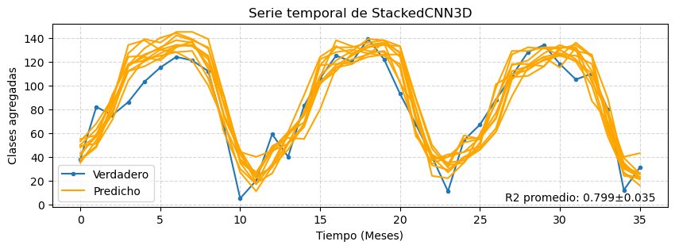
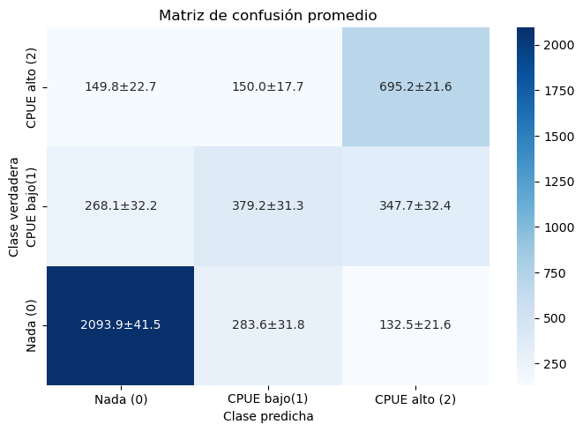
 | precision | recall | f1-score | support
0 | 0.834±0.015 | 0.834±0.017 | 0.834±0.004 | 2510.000±0.000
1 | 0.467±0.020 | 0.381±0.031 | 0.419±0.023 | 995.000±0.000
2 | 0.592±0.018 | 0.699±0.022 | 0.641±0.005 | 995.000±0.000
accuracy | 0.704±0.007 | 0.704±0.007 | 0.704±0.007 | 0.704±0.007
macro avg | 0.631±0.010 | 0.638±0.009 | 0.631±0.010 | 4500.000±0.000
weighted avg | 0.699±0.008 | 0.704±0.007 | 0.699±0.007 | 4500.000±0.000

 | IoU
Clase 0 | 0.715±0.006
Clase 1 | 0.265±0.018
Clase 2 | 0.471±0.005

Mean ± Std
0.499±0.011
0.799±0.037

